Information on ALU
INPUT PACKET
CURR_TEST_CASE (57 bit)
Feature ID(8 bit) | INPUT VALID | OPA (8 bit) | OPB (8 bit) | CMD | CIN | CE | MODE | Expected RES (16 bit) | COUT | EGL(3 bit) | OV | ERR | NEG | ZERO
56 49 | 48 47 | 46 39 | 38 31 | 30 27 | 26 | 25 | 24 | 23 8 | 7 | 6 4 | 3 | 2 | 1 | 0

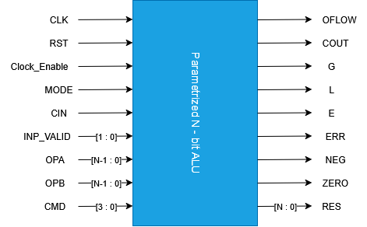

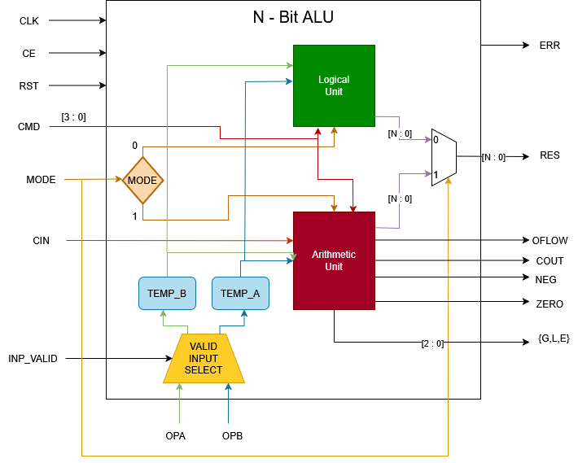

 | N - BIT ALU

 |  |  |  |  | ALU INTERNAL BLOCK DIAGRAM

Test-Bench Architecture DIAGRAM
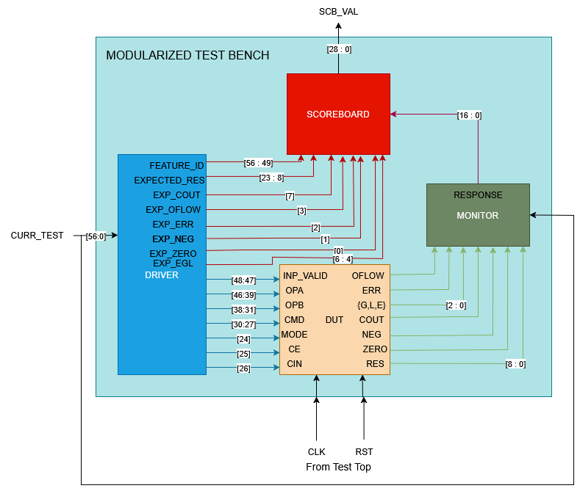

MODULAR TEST BENCH

